Лист1
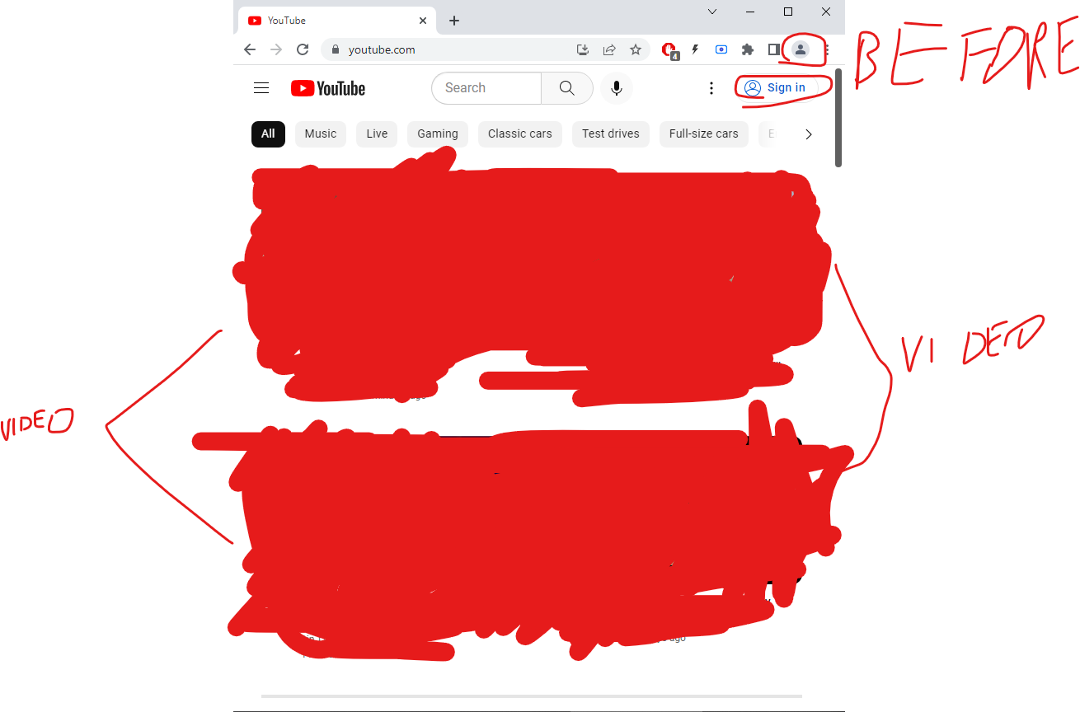
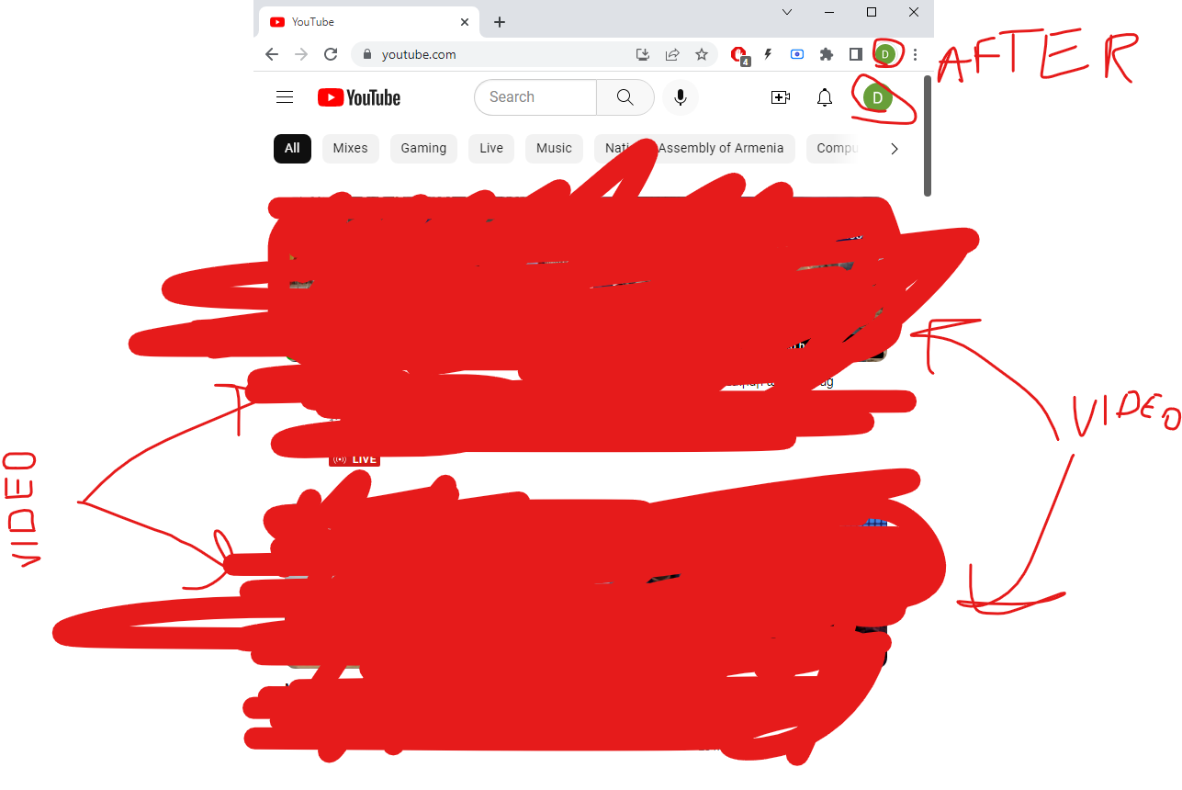
Test Case Objective | Test Case Description | Steps | Expected Result
1.Check the interface link between the Login and Youtube module | Signing in with your login and password | step 1.go to https://www.youtube.com/ | should be opened youtube page,but with your account on the right side
 |  | step 2.click on "sign in(войти)" button
 |  | step 3.Enter login credentials and click on the Login button

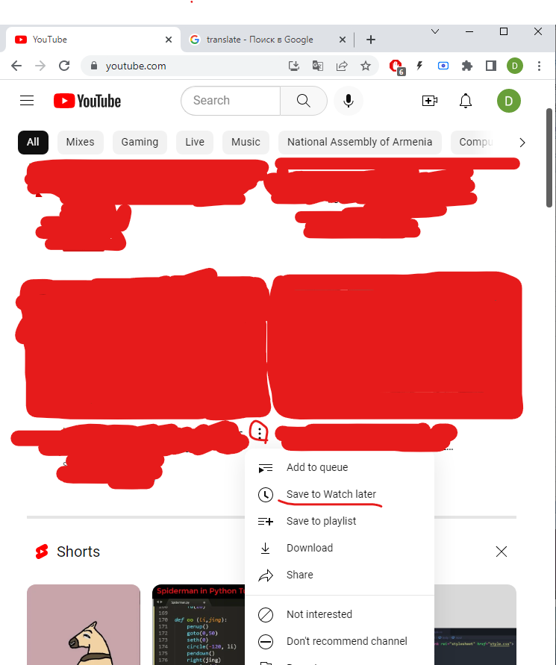
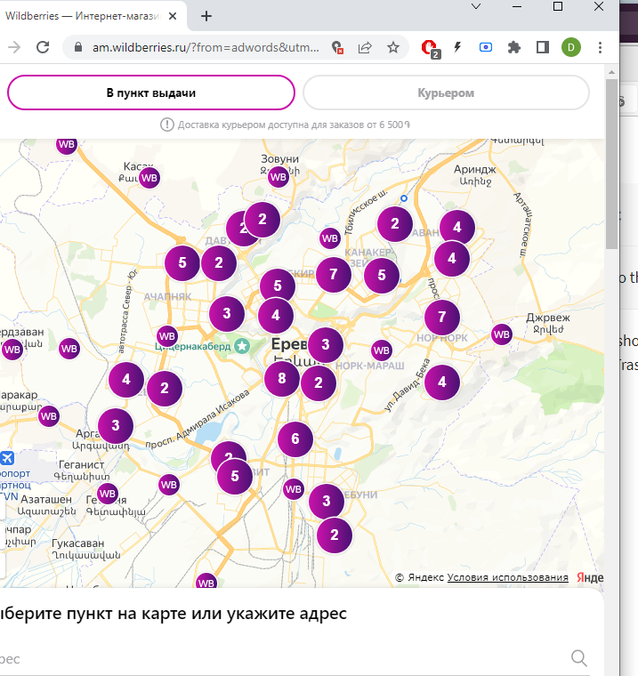

2.Checking the interface link between the youyube and "save to watch later" module | Adding a videon to "watch later" playlist | step1.In opened page with your signed account move your cursor(if you don’t know what is this look at the picture ===>) to the random video and click on three points at the bottom(check the photo 2) and click on three points | That video should be on your "watch later" playlist
 |  | step2.click on "save to watch later"

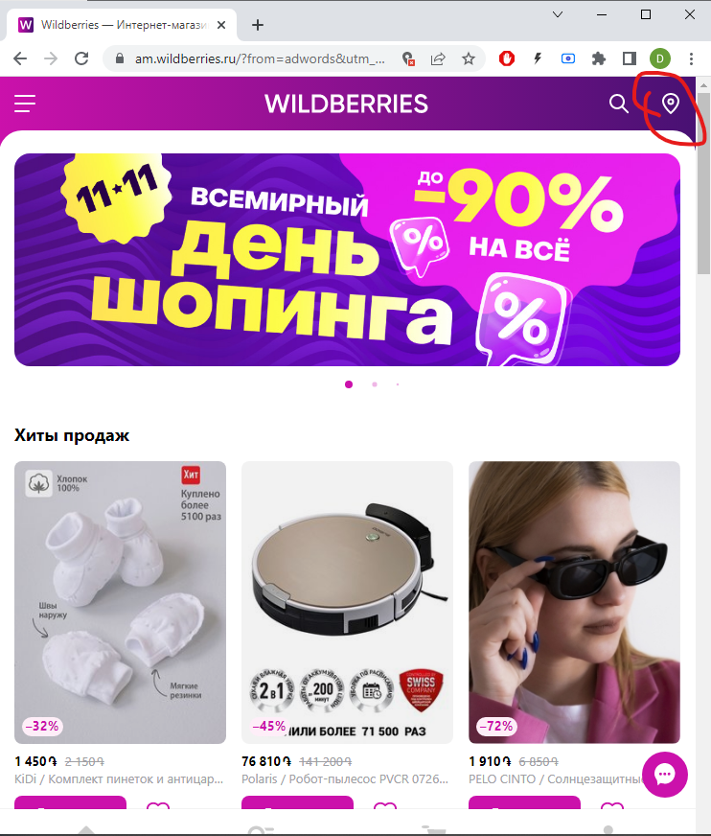
Third party integration Wildberries |  | step 1.go to the https://am.wildberries.ru/?from=adwords&utm_source=adwords&utm_medium=cpc&gclid=EAIaIQobChMI0Y2k1q795gIVEM-yCh01AAOQEAAYASAAEgJwgPD_BwE | Opened Google Map for choosing your adress
 |  | step 2.click on the map icon on the right side(check photo===>)
 |  | step 3.click "choose adress(выбрать адрес)"

